Forward Pipeline
Project ID | Parent Project ID | Customer | Project name | Region | Connection location (substation or circuit) | Type | Transpower stage | Max MW | Status Flag | Stage % complete | Status | Estimated connection livening date | Key
00038126 | 0 | Powerco Limited | MTN ODID | Central North Island | Marton | Switchboard | Delivery | 0 | ● | 100% | Transpower Scope Complete | 30/09/2026 | New feeder | New feeder(s) at an existing substation to supply new load or to increase supply resilience
00038163 | 0 | Vector Limited | Wairau Road T9 Transformer | Auckland | Wairau Road | Transformer | Delivery | 150 | ● | 90% | Construction | 30/09/2026 | New transformer | New or upgraded transformer(s) at an existing to supply new load or to increase supply resilience
00038105 | 0 | MainPower New Zealand Limited | Kaiapoi IDID Upgrade | Canterbury | Kaiapoi | Switchboard | Delivery | 0 | ● | 89% | Construction | 1/06/2027 | New GXP | New Grid exit Point (GXP) substation or new load supply point at an existing non GXP substation
00038087 | 0 | Drury South Limited | Drury Line Relocation | Auckland | HLY-OTA | Non-Connected | Delivery | 0 | ● | 70% | Construction | 2027-02-01 | Transmission | New or upgraded transmission assets (overhead transmission lines or underground cables) to increase transmission capacity or resilience
00038142 | 0 | PowerNet Limited | Edendale 220kV GXP (Puna Awa) | Otago-Southland | NMA-TMH (Puna Awa) | Substation | Delivery | 120 | ● | 60% | Construction | 31/08/2027 | Protection and automation | New or replacement protection or automation systems
00038181 | 0 | Waka Kotahi New Zealand Transport Agency | C2P Project Stage 1 (Online section) | Auckland | ARI-HAM, HIN-KPO, HAM-KPO | Non-Connected | Delivery | 0 | ● | 50% | Construction / Detailed Design | 30/10/2026 (1st phase) | Relocation | Relocation of existing transmission assets
00038106 | 0 | MainPower New Zealand Limited | ASY 66kV Coldstream Feeder | Canterbury | Ashley | Feeder | Delivery | 40 | ● | 42% | Detailed Design | 2027-05-21 | Lifecycle | Replacement of transmission assets with modern equivalent either at end of life or for policy reasons
00038110 | 0 | Network Tasman Limited | Brightwater GXP | Nelson-Marlborough | KIK-STK A | Substation | Delivery | 60 | ● | 29% | Detailed Design | 26/06/2028 | Other | Asset divestments, reconfigurations or other work not included in the above categories
00038173 | 0 | Vector Limited | Henderson 1x 33kV Feeder (Microsoft 1/2) | Auckland | Henderson | Data Centre | Delivery | 20 | ● | 27% | Detailed Design | 28/02/2028
00038182 | 0 | Waka Kotahi New Zealand Transport Agency | Mill Road & Redoubt Rd development | Auckland | HLY-OTA-A | Non-Connected | Delivery | 0 | ● | 19% | Detailed Design | 2027-06-30 | Max MW | Maximum additional supply capacity enabled by the project (actual demand may step change or grow slowly over many years to utilise this new capacity)
00038164 | 0 | Vector Limited | Takanini 1x 33kV Feeder | Auckland | Takanini | Feeder | Delivery | 20 | ● | 13% | Detailed Design | 4/02/2027 |  | Where two or more projects suport the same supply capacity increase some projects Max MW may be set to zero to avoid double counting
00038165 | 0 | Vector Limited | Takanini 2x 33kV Feeders (TenPeaks / Spark) | Auckland | Takanini | Data Centre | Delivery | 30 | ● | 13% | Detailed Design | 22/03/2027
00038166 | 0 | Vector Limited | Silverdale 2x 33kV Feeders (CDC) | Auckland | Silverdale | Data Centre | Delivery | 30 | ● | 12% | Detailed Design | 19/04/2027 | Stage % Complete | Approximate progress of the project through the relevant stage based on completed project milestones in the project schedule
00038065 | 0 | Alpine Energy Limited | TIM 33kV GXP Upgrade | South-Canterbury | Timaru | Transformer | Delivery | 40 | ●C | 2% | Detailed Design | 2028-11-30
00038127 | 0 | Powerco Limited | Brunswick T2 | Taranaki | Brunswick | Transformer | Delivery | 30 | ● | 2% | Detailed Design | 31/07/2028
00038189 | 0 | Wellington Electricity Lines Limited | KHD-TKR Uprating | Wellington | KHD-TKR | Conductor | Delivery | 0 | ● | 1% | Detailed Design | 30/06/2027

Project ID | Parent Project ID |  |  | Region | Connection location (substation or circuit) | Type | Transpower stage | Max MW | Status Flag | Stage % complete | Status | Estimated TP scope completion date | Status flag key
00038096 | 0 |  |  | Auckland | Huapai | Non-Connected | Investigation | 30 | ● | 100% | Investment Contract Negotiation | TBA | ● Progressing normally
00038174 | 0 |  |  | Northland | Wellsford | Transformer | Investigation | 60 | ● | 100% | Investment Contract Negotiation | TBA | ●C Awaiting customer action
00038077 | 0 |  |  | Otago-Southland | Cromwell | Special Protection Scheme | Investigation | 30 | ● | 98% | Investment Contract Negotiation | TBA | ●T Awaiting Transpower action
00038635 | 00038181 |  |  | Waikato | HIN-KPO-A | Non-Connected | Investigation | 0 | ● | 98% | Investment Contract Negotiation | TBA | ● On hold
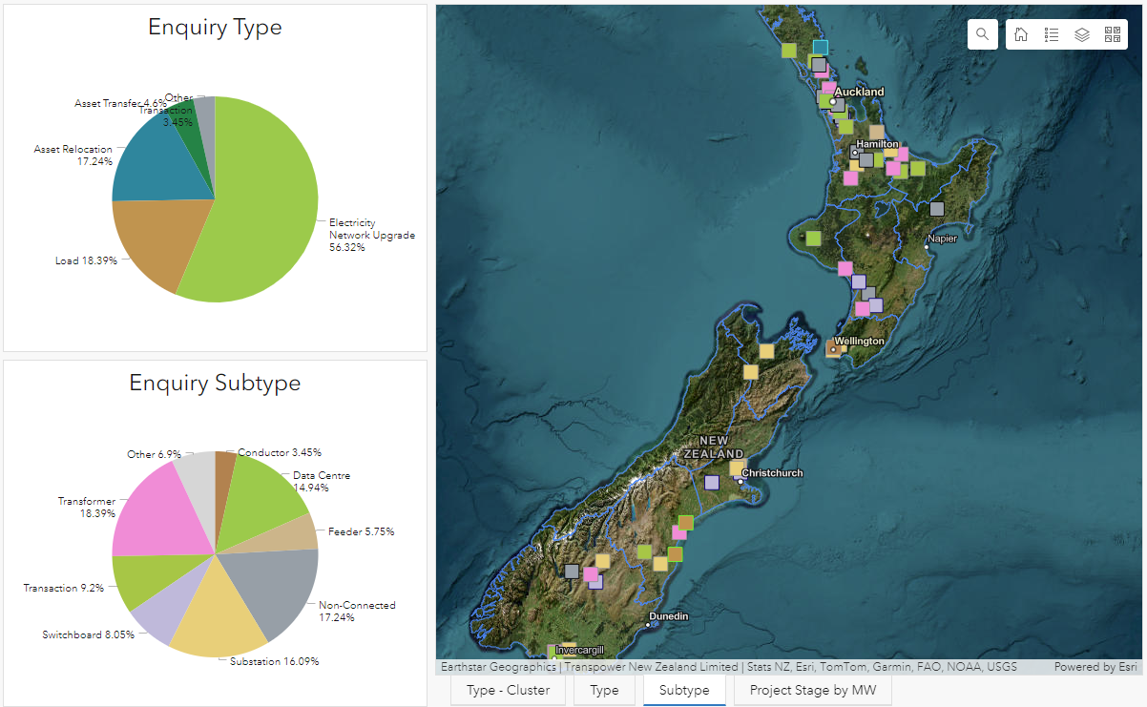
00038129 | 0 |  |  | Waikato | Waikino | Feeder | Investigation | 40 | ● | 95% | Investment Contract Negotiation | TBA
00038167 | 0 |  |  | Auckland | Wiri | Transformer | Investigation | 120 | ● | 95% | Investment Contract Negotiation | TBA
00038188 | 0 |  |  | Wellington | Central Park | Substation | Investigation | 150 | ● | 95% | Investment Contract Negotiation | TBA
00038171 | 0 |  |  | Auckland | Penrose | Data Centre | Investigation | 30 | ● | 92% | Investment Contract Negotiation | TBA
00038113 | 0 |  |  | Northland | Maungaturoto | Transaction | Investigation | 0 | ● | 91% | Investment Contract Negotiation | TBA
00038086 | 0 |  |  | Otago-Southland | INV-MAN-A | Data Centre | Investigation | 280 | ●C | 87% | Investment Contract Negotiation | TBA
00038097 | 0 |  |  | Auckland | Bombay | Switchboard | Investigation | 50 | ● | 85% | Early Stage Design | TBA
00038130 | 0 |  |  | Waikato | Hinuera | Transaction | Investigation | 0 | ● | 85% | Investment Contract Negotiation | TBA
00038175 | 0 |  |  | Auckland | Henderson | Feeder | Investigation | 30 | ● | 85% | Investment Contract Negotiation | TBA
00038176 | 0 |  |  | Auckland | Henderson | Data Centre | Investigation | 30 | ● | 85% | Investment Contract Negotiation | TBA
00038344 | 00038177 |  |  | Auckland | Henderson | Switchboard | Investigation | 0 | ● | 85% | Investment Contract Negotiation | TBA
00038347 | 00038173 |  |  | Auckland | Henderson | Data Centre | Investigation | 30 | ● | 85% | Investment Contract Negotiation | TBA
00038309 | 0 |  |  | South-Canterbury | ROX-ISL-A / Black Point | Substation | Investigation | 80 | ● | 80% | Early Stage Design | TBA
00038116 | 0 |  |  | Canterbury | Hororata | Switchboard | Investigation | 0 | ● | 77% | Investment Contract Negotiation | TBA
00038177 | 0 |  |  | Auckland | Henderson | Transformer | Investigation | 120 | ● | 77% | Early Stage Design | TBA
00038149 | 0 |  |  | Waikato | HAM_WHU | Non-Connected | Investigation | 0 | ● | 75% | Early Stage Design | TBA
00038150 | 0 |  |  | Waikato | ARI-HAM | Non-Connected | Investigation | 0 | ● | 53% | Early Stage Design | TBA
00038078 | 0 |  |  | Otago-Southland | Clyde-Twizel-1 or 2 | Substation | Investigation | 120 | ● | 39% | Early Stage Design | TBA
00038186 | 0 |  |  | Waikato | Bombay | Transaction | Investigation | 0 | ● | 38% | Investment Contract Negotiation | TBA
00038336 | 0 |  |  | Waikato | Meremere | Transaction | Investigation | 0 | ● | 38% | Investment Contract Negotiation | TBA
00038079 | 0 |  |  | Otago-Southland | Cromwell | Transformer | Investigation | 60 | ● | 32% | Early Stage Design | TBA
00038131 | 0 |  |  | Central North Island | Mangamarie | Switchboard | Investigation | 0 | ●C | 32% | Early Stage Design | TBA
00038168 | 0 |  |  | Auckland | Southdown | Substation | Investigation | 80 | ●C | 32% | Early Stage Design | TBA
00038156 | 0 |  |  | Bay of Plenty | Tarukenga | Transformer | Investigation | 20 | ● | 30% | Early Stage Design | TBA
00038091 | 0 |  |  | Auckland | Penrose | Data Centre | Investigation | 150 | ● | 18% | Early Stage Design | TBA
00038128 | 0 |  |  | Bay of Plenty | KMO-TRK | Substation | Investigation | 120 | ● | 14% | Early Stage Design | TBA
00038178 | 0 |  |  | Auckland | Silverdale | Transformer | Investigation | 120 | ● | 14% | Early Stage Design | TBA
00038183 | 0 |  |  | Auckland | HOB-WRD | Non-Connected | Investigation | 0 | ●C | 14% | Early Stage Design | TBA
00038073 | 0 |  |  | Otago-Southland | Cromwell | Substation | Investigation | 120 | ● | 12% | Early Stage Design | TBA
00038143 | 0 |  |  | Otago-Southland | North Makarewa | Transformer | Investigation | 60 | ● | 8% | Early Stage Design | TBA
00038169 | 0 |  |  | Auckland | ALB-WRD | Substation | Investigation | 120 | ● | 8% | Early Stage Design | TBA
00038198 | 0 |  |  | Otago-Southland | CYD | Switchboard | Investigation | 0 | ● | 8% | Early Stage Design | TBA
00038326 | 0 |  |  | Northland | HEN_MDN | Non-Connected | Investigation | 0 | ● | 8% | Early Stage Design | TBA
00038335 | 0 |  |  | Auckland | HEN_MDN / HEN_MPE | Non-Connected | Investigation | 0 | ● | 8% | Early Stage Design | TBA
00038435 | 0 |  |  | Otago-Southland | CML-FKN-A 110 kV | Non-Connected | Investigation | 0 | ● | 8% | Early Stage Design | TBA
00038444 | 0 |  |  | Central North Island | BPE-MHO | Non-Connected | Investigation | 0 | ● | 8% | Early Stage Design | TBA
00038564 | 0 |  |  | Auckland | Silverdale | Data Centre | Investigation | 40 | ● | 8% | Early Stage Design | TBA
00038107 | 0 |  |  | Canterbury | ISL-KIK | Substation | Investigation | 120 | ● | 5% | Early Stage Design | TBA
00038132 | 0 |  |  | Bay of Plenty | Te Matai | Transformer | Investigation | 50 | ●C | 5% | Early Stage Design | TBA
00038492 | 0 |  |  | Bay of Plenty | HAI-TGA-A | Conductor | Investigation | 0 | ● | 5% | Early Stage Design | TBA
00038623 | 0 |  |  | Central North Island | MHO | Transformer | Investigation | 60 | ● | 3% | Starting | TBA
00038516 | 0 |  |  | Nelson-Marlborough | KIK | Substation | Investigation | 0 | ● | 1% | Starting | TBA

Project ID | Parent Project ID |  |  | Region | Connection location (substation or circuit) | Type | Transpower stage | Max MW | Status Flag |  | Status | Estimated TP scope completion date
00038170 |  |  |  | Auckland | Takanini | Data Centre | Solution Proposal | 150 | ● |  | Early Stage Design | TBC
00038172 |  |  |  | Auckland | Mangere | Transformer | Solution Proposal | 120 | ● |  | Early Stage Design | TBC
00038323 |  |  |  | Auckland | Wairau Road GXP | Transformer | Solution Proposal | 120 | ● |  | Early Stage Design | TBC
00038600 |  |  |  | Wellington | Melling | Substation | Solution Proposal | 0 | ● |  | Early Stage Design | TBC
00038412 |  |  |  | Taranaki | Stratford | Feeder | Solution Proposal | 300 | ● |  | Early Stage Design | TBC
00038637 |  |  |  | South-Canterbury | CHC-TWZ, ROX-ISL-A | Process Heat - Dairy | Solution Proposal | 120 | ●T |  | Early Stage Design | TBC
00038459 |  |  |  | South-Canterbury | Studholme | Process Heat - Dairy | Solution Proposal | 60 | ● |  | Early Stage Design | TBC

Application Stage - Load
Project ID | Parent Project ID | Load Applications |  | Region | Connection location (substation or circuit) | Type | Transpower stage | Max MW |  | Ready to proceed 3 | Status
00038425 |  |  |  | Auckland | Henderson | Data Centre | Application | 40 |  | Y | Confirmed
00038357 |  |  |  | Auckland | Drury | Feeder | Application | 360 |  |  | Received
00038092 |  |  |  | Auckland | HEN-OTA | Data Centre | Application | 200 |  |  | Confirmed

Application Stage - Other
Project ID | Parent Project ID |  |  | Region | Connection location (substation or circuit) | Type | Transpower stage | Max MW |  | Ready to proceed 3 | Status

Notes
1. The location is given as the substation where a project will connect, or if a new substation is required, the transmission circuit.
2. Stage % Complete - Approximate progress of the project through the relevant stage based project milestones completed in the project schedule. Progress in delivery is progress for the Transpower connection only, not for the associated customer assets. Timeframes for delivery contracting will vary as they are dependent on bilateral negotiation and each customer's investment decision process. Progress is dependent on both Transpower work and customer decisions at key stage gates. Where customers are unable to make timely decisions progress may stall. Stalled projects may be put on hold so resources can be re-allocated to other waiting projects.
3. Applications are deemed ready to proceed to investigation where Transpower has had confirmation the applicant: is ready to sign the associated services agreement, has FID for the residual application fee and the investigation costs, maintains a need date which justifies an investigation in the near term, and plans for securing property rights and consenting remain on track.

